RMAs
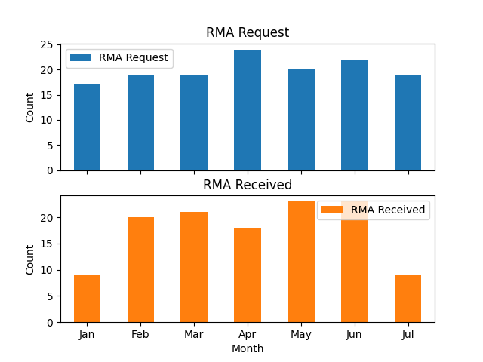
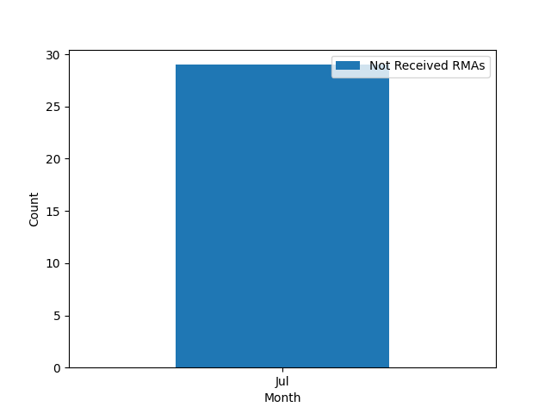
 | RMA Request | RMA Received
Jan | 17 | 9
Feb | 19 | 20
Mar | 19 | 21
Apr | 24 | 18
May | 20 | 23
Jun | 22 | 23
Jul | 19 | 9

Lines
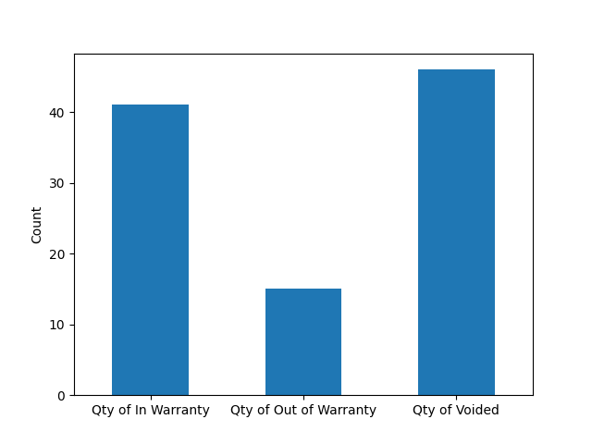
RMA No | Qty of In Warranty | Qty of Out of Warranty | Qty of Voided
RMA0000218 | 39 | 0 | 33
RMA0000238 | 0 | 10 | 10
RMA0000239 | 2 | 0 | 0
RMA0000253 | 0 | 1 | 0
RMA0000186 | 0 | 1 | 0
RMA0000252 | 0 | 1 | 1
RMA0000247 | 0 | 1 | 1
RMA0000241 | 0 | 1 | 1
 | 41 | 15 | 46

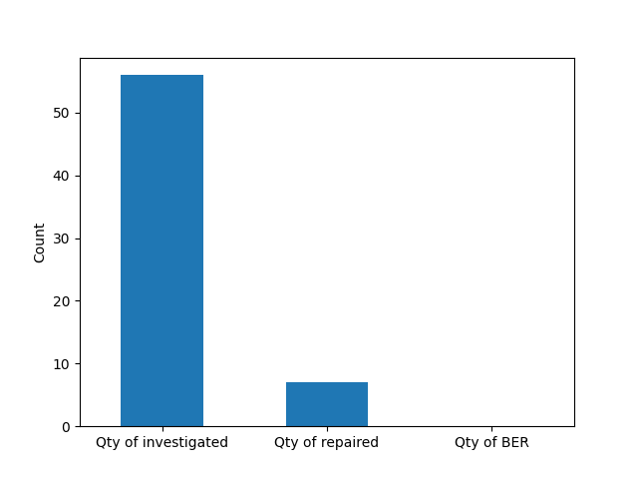
RMA No | Qty of investigated | Qty of repaired | Qty of BER
RMA0000218 | 39 | 0 | 0
RMA0000238 | 10 | 0 | 0
RMA0000239 | 2 | 2 | 0
RMA0000253 | 1 | 1 | 0
RMA0000186 | 1 | 1 | 0
RMA0000252 | 1 | 1 | 0
RMA0000247 | 1 | 1 | 0
RMA0000241 | 1 | 1 | 0
 | 56 | 7 | 0

Lines_Crown
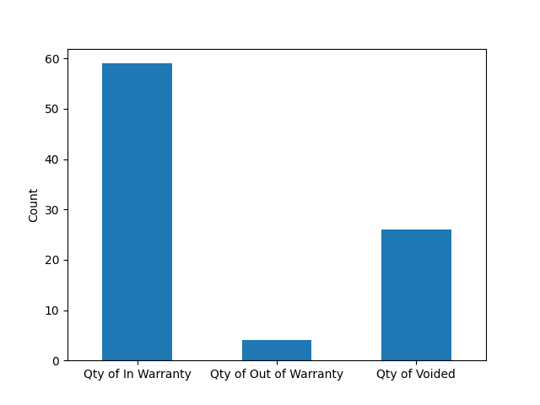
RMA No | Qty of In Warranty | Qty of Out of Warranty | Qty of Voided
RMA0000177 | 43 | 1 | 16
RMA0000233 | 15 | 2 | 9
RMA0000240 | 1 | 0 | 1
RMA0000237 | 0 | 1 | 0
 | 59 | 4 | 26

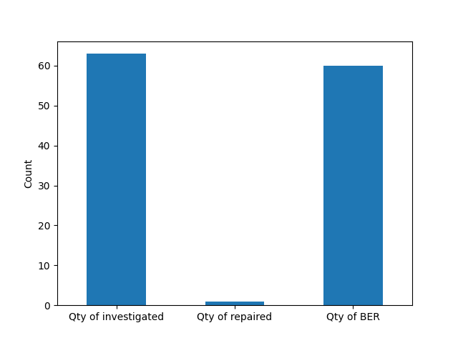
RMA No | Qty of investigated | Qty of repaired | Qty of BER
RMA0000177 | 44 | 0 | 43
RMA0000233 | 17 | 0 | 17
RMA0000240 | 1 | 0 | 0
RMA0000237 | 1 | 1 | 0
 | 63 | 1 | 60

